Problems
Infrastructure

Techinques for Optimizing Performance
 | 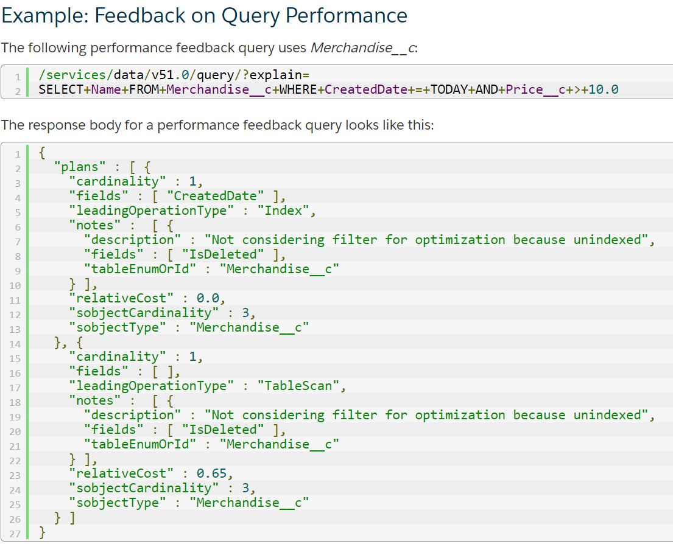 Use SOQL when: You know in which objects or fields the data resides. You want to: Retrieve data from a single object or from multiple objects that are related to one another Count the number of records that meet specified criteria Sort results as part of the query Retrieve data from number, date, or checkbox fields Use SOSL when: You don’t know in which object or field the data resides, and you want to find it in the most efficient way possible. You want to: Retrieve multiple objects and fields efficiently, and the objects might or might not be related to one another Retrieve data for a particular division in an organization using the divisions feature, and you want to find it in the most efficient way possible When designing custom query-search user interfaces, it’s important to: Keep the number of fields to be searched or queried to a minimum. Using a large number of fields leads to a large number of permutations, which can be difficult to tune. Determine whether SOQL , SOSL, or a combination of the two is appropriate for the search.

 | Deleting Data The Salesforce data deletion mechanism can have a profound effect on the performance of large data volumes. Salesforce uses a Recycle Bin metaphor for data that users delete. Instead of removing the data, Salesforce flags the data as deleted and makes it visible through the Recycle Bin. This process is called soft deletion. While the data is soft deleted, it still affects database performance because the data is still resident, and deleted records have to be excluded from any queries. The data stays in the Recycle Bin for 15 days, or until the Recycle Bin grows to a specific size. The data is then hard deleted from the database after 15 days; when the size limit is reached; or when the Recycle Bin is emptied using the UI, the API, or Apex. In addition, the Bulk API supports a hard delete option, which allows records to bypass the Recycle Bin and become immediately available for deletion. We recommend that you use the Bulk API’s hard delete function to delete large data volumes. If you want to delete records in a sandbox organization’s custom objects immediately, you can try to truncate those custom objects. You can contact Salesforce Customer Support for assistance with this task.

 | Search When large volumes of data are added or changed, the search system must index that information before it becomes available for search by all users, and this process might take a long time.

 | Mashups: leave data in external systems and integrate at the UI level Advantages of Using Mashups Data is never stale. No proprietary method needs to be developed to integrate the two systems. Disadvantages of Using Mashups Accessing data takes more time. Functionality is reduced. For example, reporting and workflow do not work on the external data.

 | Defer Sharing Calculation In some circumstances, it might be appropriate to use a feature called defer sharing calculation, which allows users to defer the processing of sharing rules until after new users, rules, and other content have been loaded. An organization’s administrator can use a defer sharing calculation permission to suspend and resume sharing calculations, and to manage two processes: group membership calculation and sharing rule calculation. The administrator can suspend these calculations when performing a large number of configuration changes, which might lead to very long sharing rule evaluations or timeouts, and resume calculations during an organization’s maintenance period. This deferral can help users process a large number of sharing-related configuration changes quickly during working hours, and then let the recalculation process run overnight between business days or over a weekend.

 | Archiving – consider off-platform archiving solutions

 | Data Warehouse – consider a data warehouse for analytics

Data Skew | Account Data Skew
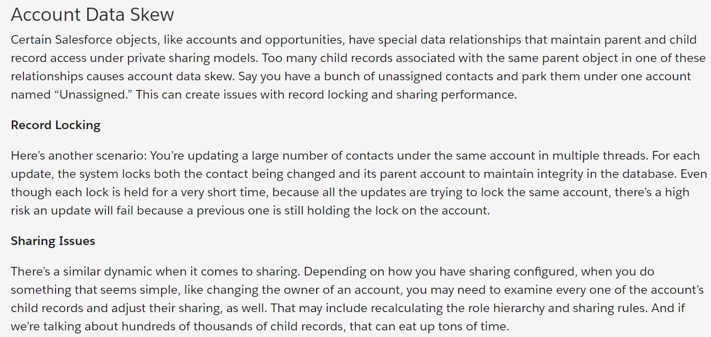

 | Ownership Skew

 | Lookup Skew
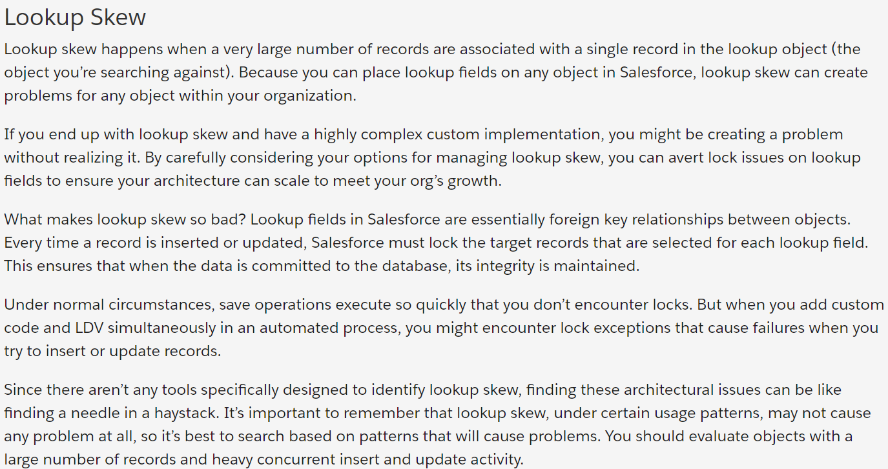

Large Data and Transaction Volumes | What are the impacts of large data volumes?
 | Higher chance of hitting governor limits
 | Reports slow or timing out
 | Increased likelihood of forced SOQL query termination by the System
 | Slow data management operations (like data backup, data replication, batch jobs etc)
 | Admin sharing locks and end-user record locking
 | List views slow to display
 | API Integrations timing out
 | Slow SOSL search times
 | Longer full sandbox refresh times
 | Not finding newly added or modified records. For data to be searched, it must first be indexed. Until the records are indexed, they do not show up in searches. For large numbers of new or modified records, this can take a long time.
 | Slow VisualForce page performance

 | What strategies can be implemented when Reports/Dashboards/Queries are Slow/Timing Out?
 | 1) Use selective filters: Structure reports using filters that narrow the data to be queried
 | Selective – reduce the number of objects and fields used in a query.
 | Filtering – apply restrictive filtering to Listviews and SOQL where clauses.
 | SOQL – avoid NULL values (can’t be indexed)
 | Sorting - If sorting is not needed, avoid sorting in SOQL queries
 | Remember that NOT operations and LIKE conditions with a leading % wildcard do not use indexes, and complex joins might perform better as separate queries.
 | 2) Select report columns carefully: By reducing the columns selected, the number of joins is reduced and report generation is faster
 | Narrow Range Reporting – apply selective report filtering.
 | 3) Try to avoid complex formula fields on objects with more than 1 million records (can you put this logic in filters?)
 | 4) Use the scheduling email reports or dashboard feature for long running reports
 | 5) Empty soft-deleted data in recycle bin
 | 6) Have an effective data archival strategy: Reducing the amount of active data—use archiving, mashups, and other techniques to reduce the amount of data stored in Salesforce.
 | 7) Ensured that no complex sharing rules existed for the four related objects. Complex sharing rules can have a noticeable impact on performance.
 | 8) System/Custom Indexing - can be effective where query values in the indexed field represent less than 10% (or <300K) of the overall record count.
 | 9) Skinny tables- can be effective as a report accelerator at 5M records plus.
 | 10) Divisions - acts like a DB partition (by geography, ownership etc.)
 | 11)Horizontal partitioning of data – split objects by geography for example.
 | 12)Denormalisation – to remove expensive joins use Apex Triggers to resolve FK
 | 13)Avoid over parenting – 10K limit for child records, per parent record. For example avoid one parent account having more than 10,000 contacts etc.
 | 14)Data Skew – look for even distribution.
 | 15)Async SOQL
 | 16) Async reporting

 | 17) Limit the queried data
 | 18) Caching
 | 19) Pagination
 | 20) Lazy Loading
 | 21) Bulk API + PK Chuncking to perform bulk operations

 | Chunking Data. When extracting data with Bulk API, queries are split into 100,000 record chunks by default—you can use the chunkSize header field to configure smaller chunks, or larger ones up to 250,000. Larger chunk sizes use up fewer Bulk API batches but may not perform as well.
 | Idempotence. Remember that idempotence is an important design consideration in successful extraction processes. Make sure that your job is designed so that resubmitting failed requests fills in the missing records without creating duplicate records for partial extractions.
 | Caching. The more tests you run, the more likely that the data extraction will complete faster because of the underlying database cache utilization. While it is great to have better performance, don’t schedule your batch jobs based on the assumption that you will always see the best results.
 | Sorting: If sorting is not needed, avoid sorting in SOQL queries

 | Loading Data into Salesforce :
 | Use the Bulk API to load large data volumes, via the Apex Data Loader perhaps (requires setting value to be explicitly set). The Bulk API, in simple terms, uploads the data into temporary tables then executes processing of the data (actual load into target objects) using parallel asynchronous processes. This offers potential performance improvements over the serial and synchronous combined upload+process model employed by all other loading techniques.
 | Data Loading Considerations;
 | Defer complex sharing rules
 | Disable Triggers and Workflow (post-process via Batch Apex)
 | Speed of operation; Insert then Update then Upsert (involves implicit query)
 | Group and sequence data to avoid parent record locking
 | Remember database statistics calculate overnight, wait to do performance testing
 | Tune the batch size (HTTP keepalives, GZIP compression)
 | Parent records with master-detail children. You won’t be able to load child records if the parents don’t already exist.

 | What is Async reporting?
 | If a report is timing out and all other workarounds have been exhausted, asynchronous reporting is an option.
 | Asynchronous reporting allows a user with the "Modify All Data" permission to have a report execut in the background.
 | The user can navigate to the 'Export Details' button which has two options: 'Export Details Now' or 'Run Background Export...'
 | When 'Run Background Export...' is selected, the user can select a CSV or XLS file format and have the option to Save revisions (overwrites original report), or Save revisions to a copy (creates new report).
 | Once the selection is made, the report execution will last for 30 minutes instead of the standard 10-minute timeout threshold.
 | The user will then be emailed when the report is complete with a link where they can go into Salesforce and download the file.
 | File size will be confined to the limits of XLS or CSV. Users cannot see the results of an asynchronously run report in the normal report view they can only download the report result

Governor Limits | Avoid APEX GOVERNOR LIMITS EXCEEDED
 | 1) Address Apex Governor Limit Challenges via Apex Code Best practices
 | 2) Bulkify your code
 | 3)Avoid SOQL Queries inside for Loops
 | 4) Bulkify your Helper Methods
 | 5)Leverage Async processing instead of external web services where possible
 | 6)Avoid polling and use the Streaming API instead
 | Use Collections, Streamlining Queries, and Efficient For Loops
 | Streamline Multiple Triggers on the Same Object
 | 7)Querying Large Data Sets (If returning a large set of queries causes you to exceed your heap limit, then a SOQL query for loop must be used instead. It can process multiple batches of records through the use of internal calls to query and queryMore.)
 | 8)Use the Limits Apex Methods to avoid hitting governor limits
 | 9) Run apex processes asynchronously, which has higher governor limits using @future
 | 10) Visualforce pages might need to work with or display larger sets of data, but not need to make modifications to that data; for example, if you are providing custom reporting and analytics. Visualforce offers developers a “read-only mode,” which relaxes the limit on the number of rows that can be queried in one request, and increases the limit on the number of collection items that can be iterated over within the page.

 | SOQL TIMEOUTS
 | SOQL queries that take longer than two minutes to process will be timed out.

 | ADDITIONAL PERFORMANCE MITIGATION RESOURCES
 | 1) Governor limits
 | 2)Special scenarios affecting query performance
 | 3)Accommodating large data loads
 | 4)Using the bulk API: The Force.com Bulk API was designed specifically to offload the complex and time-consuming process of importing large data sets from your client application to the Force.com platform. It allows you to upload and create import jobs, monitor and manage these jobs through an easy-to-use web interface in Salesforce, and receive notifications when the jobs complete. It is optimized for inserting, updating, upserting, and deleting large numbers of records asynchronously by submitting them in batches to Force.com, to be processed in the background.
 | 5)Defer sharing calculations: Performing a large number of configuration changes can lead to very long sharing-rule evaluations or timeouts. To avoid these issues, an administrator can suspend these calculations and resume calculations during an organization's maintenance period
 | 6)Physical deletes: The Salesforce data deletion mechanism can have a profound effect on the performance of large data volumes. Salesforce uses a Recycle Bin metaphor for data that users delete. Instead of removing the data, Salesforce flags the data as deleted and makes it visible through the Recycle Bin
 | 7) Leveraging apex o Working with large data sets in Force.com o Apex queryMore Pattern
 | Batch Apex - asynchronous processing in batches up to 50 MM records, and/or combine Batch Apex/ Apex Scheduler to run jobs at predetermined times.
 | @Readonly annotation - allows you to perform unrestricted queries against the Force.com database.
 | Use Standard List Controller and Standard SetController (VisualForce) for paginating over a large data set
 | APIs - querying and/or processing large data sets from outside Force.com. You can pick from any of the APIs below, depending on requirements (sync/async, SOAP or REST, expected data volume)

 | 8)Data Integration: There are several different ways to integrate separate applications at the data layer. Any number of apps can access the Force.com data layer through the API and efficiently manage data in real time.

APIs to use to handle BULK data | Open API
 | General Purpose Data Integration APIs
 | 1. SOAP API - The SOAP API (formerly known as the Force.com Web Services API) lets you integrate Force.com applications that can create, retrieve, update or delete records managed by Salesforce, Force.com, and Database.com, records such as accounts, leads, and custom objects.
 | 2. REST API - The REST API lets you integrate with Force.com applications using simple HTTP methods, in either XML or JSON formats, making this an ideal API for developing mobile applications or external clients. For more information, see here.
 | 3. Streaming API - The Streaming API lets you expose a near real-time stream of data from the Force.com platform.

 | Special Purpose Data Integration APIs
 | 1. Chatter REST API - Chatter Connect comprises Chatter REST API and Chatter in Apex. Use the Chatter REST API to integrate mobile apps, intranet sites, and third-party Web applications with Chatter. The Chatter REST API provides resources for feeds, comments, likes, users, groups, private messages, and recommendations.
 | 2. Bulk API (Bulk Transfer API)
 | 3. Language-Specific Resources and Toolkits
 | • Salesforce Mobile SDK (Android and iOS) • JavaScript • Java • Ruby • PHP
 | 4. Cloud-to-Cloud Integration Toolkits
 | • Force.com for Amazon Web Services • Force.com for Facebook • Force.com for Google App Engine • Force.com Toolkit for Google Data APIs • Force.com Toolkit for Microsoft Azure • PayPal X Toolkit for Force.com
 | 5. DATA BACKUPS AND RESTORES

Design Patterns | DESIGN PATTERNS
 | Apex Design Patterns are best practice templates for Apex development that can be leveraged to design high quality solutions and avoid reinventing the wheel for commonly recurring general requirements. The resulting code should be optimized and will help ensure reusability, maintainability, and performance. Common design patterns include:

 | 1. • Singleton - minimizing object instantiation for improved performance and to mitigate impact of governor limits
 | 2. • Strategy - defining a family of algorithms, encapsulating each one and making them interchangeable and selectable at runtime
 | 3. • Decorator - extending the functionality of an sObject in Apex
 | 4. • Facade - simplifying the execution of classes with complex interfaces (e.g. web service callouts)
 | 5. • Composite - treating a group of objects in a similar manner to a single instance of that object
 | 6. • Bulk State Transition - efficiently tracking the change of a field value in a trigger and executing functionality based on this change

Tools
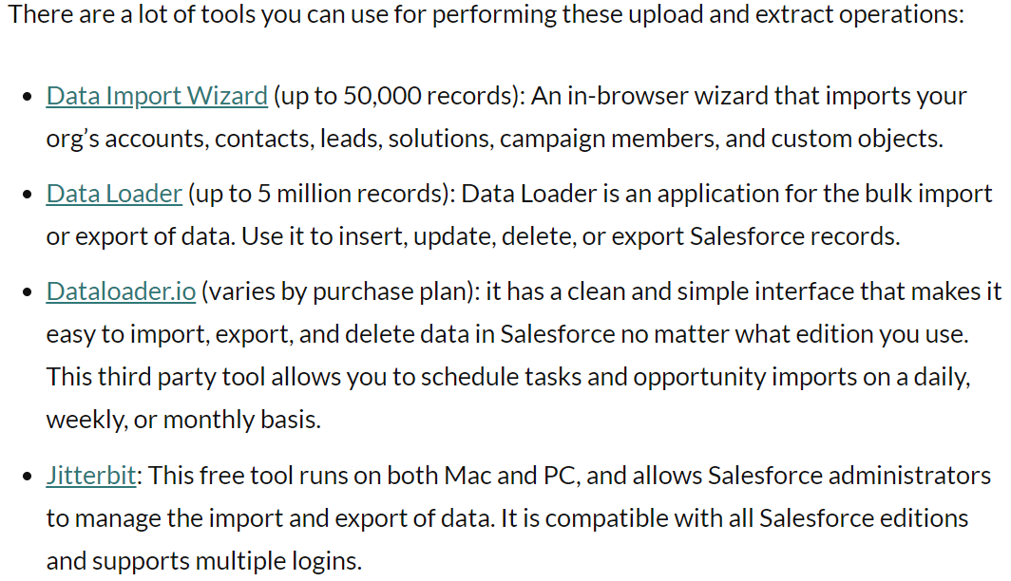

Monotoring
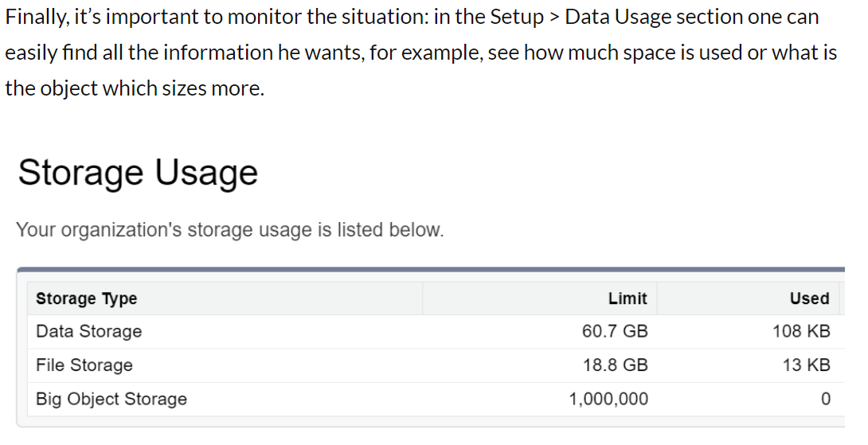

Best Practices
 | Large Data Volume testing is only performed against “sandbox” or test org. Keep in mind that you don’t work in production and you’d need to migrate these data and configuration to another org to go live.
 | Use the Salesforce Bulk API when you have more than a few hundred thousand records.
 | Disable Apex triggers, workflow rules, and validations during loads; investigate the use of batch Apex to process records after the load is complete.
 | When updating, send only fields that have changed (delta-only loads).
 | When using a query that can return more than one million results, consider using the query capability of the Bulk API, which might be more suitable.
 | Use External or Big Objects: with the first, there’s no need to bring data into Salesforce and with the second you can provide consistent performance for a billion records or more, and access a standard set of APIs to your org or external system. In general, you avoid both storing large amounts of data in your org, and the performance issues associated with LDV.
Duplicate Management
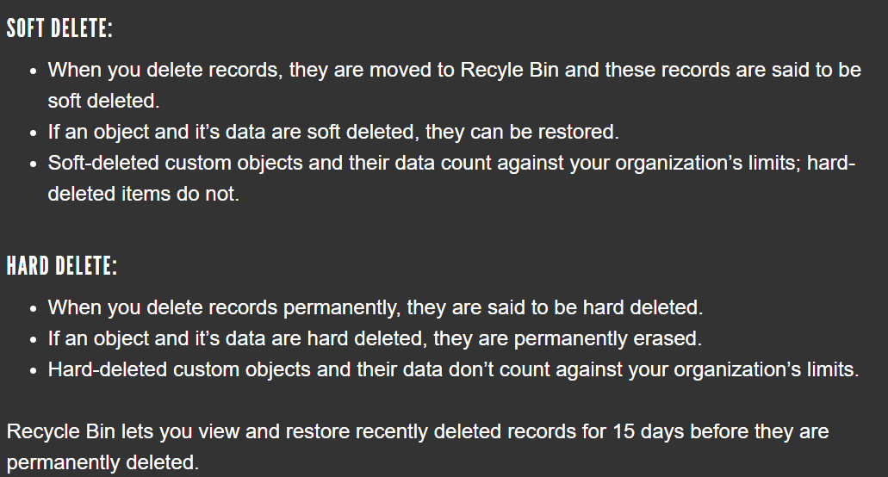
 | Duplicate Records Handling
 | 1. Matching Rule
 | 2. Duplicate Rules
 | 3. Clean up data
 | Find and merge the duplicate records
 | Find and delete the duplicate records
 | Hard delete Vs Soft Delete
 | 4. Validation rules
 | 5. Apex Triggers

Data Recovery
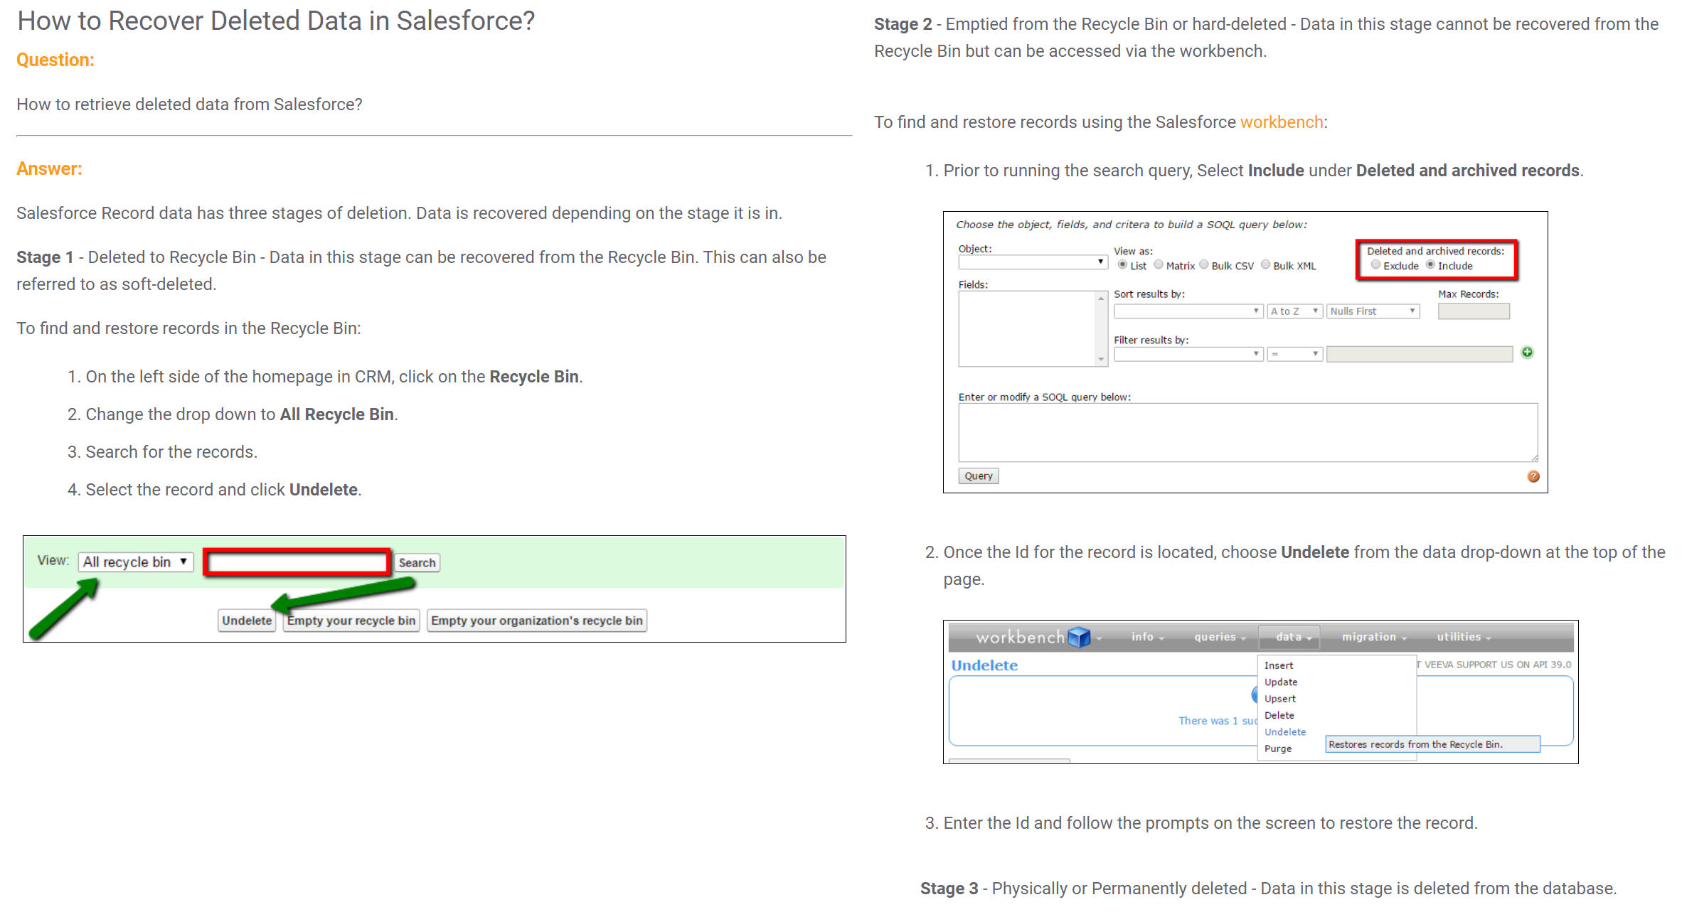

 | If data is delete and undelete, which has time based work flows and that those rules are mappined with outbound messages or callout integrations, we should be very careful to do these operations. Otherwise data will be in consistent

Concurrency
 | When a record is being updated or created, we place a lock on that record to prevent another operation from updating the record at the same time and causing inconsistencies on the data.
 | These locks normally last for a few seconds and when the lock is released, other operations can do whatever processing they are supposed to do on the record in question. However, a given transaction can only wait a maximum of 10 seconds for a lock to be released, otherwise it will time out.

 | Common Scenarios that prevent unlocking record
 | a. Email-To-Case
 | When an email is processed by email-to-case, triggers on the email message object or related objects (i.e the parent account) will attempt to lock those records for processing. If another process is holding a lock on these records and the processing of the email has to wait for more than 10 seconds, a timeout will occur and you will see this error.

 | b. Apex Triggers/API
 | Assume there is an After Insert Apex Trigger on Tasks, and it runs for about 14 seconds while doing some processing. This trigger will run when a task is created. When tasks are created and are related to an Account, we place a lock on the parent Account while the task is being created. This means that the account cannot be updated while the task creation is in progress.
 | Reduce using Locking Statements.

 | Scenario:
 | 1. User A imports a task via the data loader and assigns it to an existing account record. When the task is inserted, the apex trigger is fired.
 | 2. Just 2 seconds after User A starts the insert via the data loader, User B is manually editing the same account record the task is related to.
 | 3. When User B clicks Save, internally we attempt to place a lock on the account, but the account is already locked so we cannot place another lock. The account had already been locked by the creation of the Task.

 | The 2nd transaction then waits for the lock to be removed. Because the task takes about 14 seconds to be created, the lock is held for 14 seconds. The second transaction (from User B) times out, as it can only wait for a maximum of 10 seconds.
 | In this case, user B would see an error on the screen similar to the ones mentioned above. Apex Tests can also incur locks if run against production data​.

 | c. Bulk API
 | Inserting or updating records through the Bulk API can cause multiple updates on the same parent record at once, because the batches are processed in parallel. For example, if two batches are being processed at the same time and the two of them contain records pointing to the same parent record, one of the batches will attempt to place a lock in the parent record, which can lead to the other batch throwing a "unable to lock row" error as the batch was not able to get a lock within 10 seconds.

 | To prevent this, you can do either of the following:
 | Reduce the batch size
 | Process the records in Serial mode instead of parallel, that way one batch is processed at a time.
 | Sort main records based on their parent record, to avoid having different child records (with the same parent) in different batches when using parallel mode.

 | d. Master-detail Relationship
 | If a record on the master side of a master-detail relationship has too many child records (thousands) you are likely to encounter these errors as well, as every time you edit the detail record, the master record is locked. The more detail records you have, the more likely that these will be edited by users, causing the parent record to be locked.

 | To prevent this issue you can move some child records to another parent, as to reduce the amount of child records attached to a single parent record.
 | Record Level Locking is a common scenario which can be reduced.

 | Data Consistancy
 | If users and data loading activity is hapenning paralley on the same object, it leads to data consistancy
 | sometimes users will be blocked because of record lock exceptions. So, planning data load activity is very important like weekends or non-working hours.

CDC Events | Designing for High-Volume Reads in Salesforce
 | usually we handle the large volume of reads asynchronisly.wither BULK API or BATCH JOB
 | But these approaches have several pros and cons. Like database locking, job failues due to network, not real time etc…, maintain jobs needs lot of infrastructure etc.

 | Better approach: CDC events=> data sync will be very near real time. No need to think about costly process like Batch Jobs.

BIG OBJECTS
 | Data archiveing millions and billions of records
 | perform data insights
 | supports ASYNC SOQL Queries

Solutions
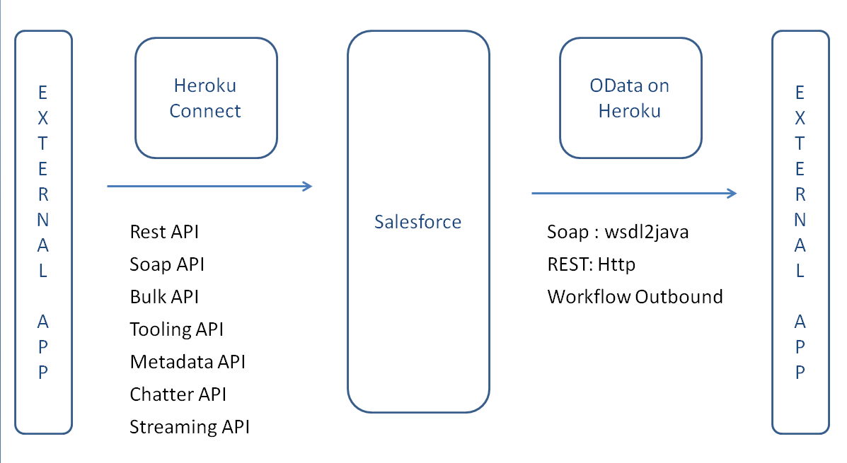
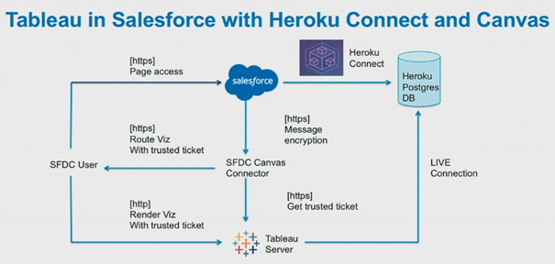
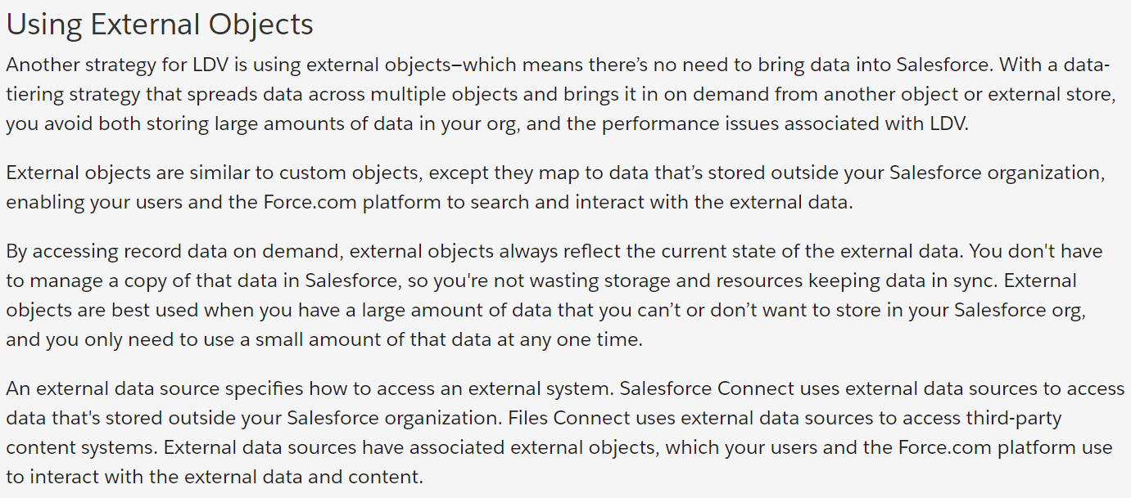
External Objects

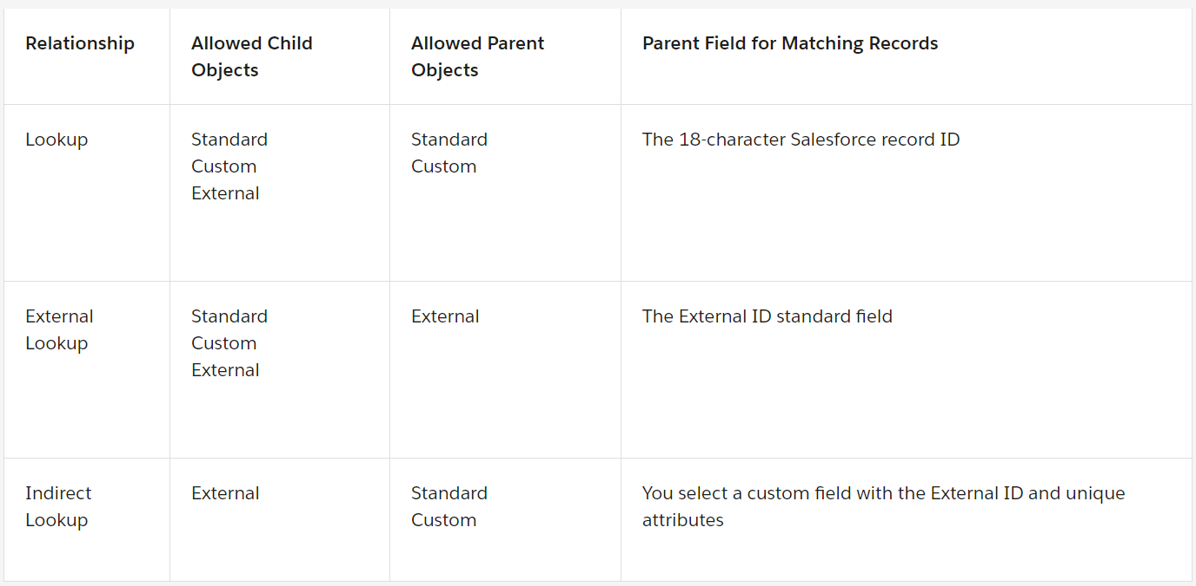

 | Salesforce Connect vs Heroku Connect
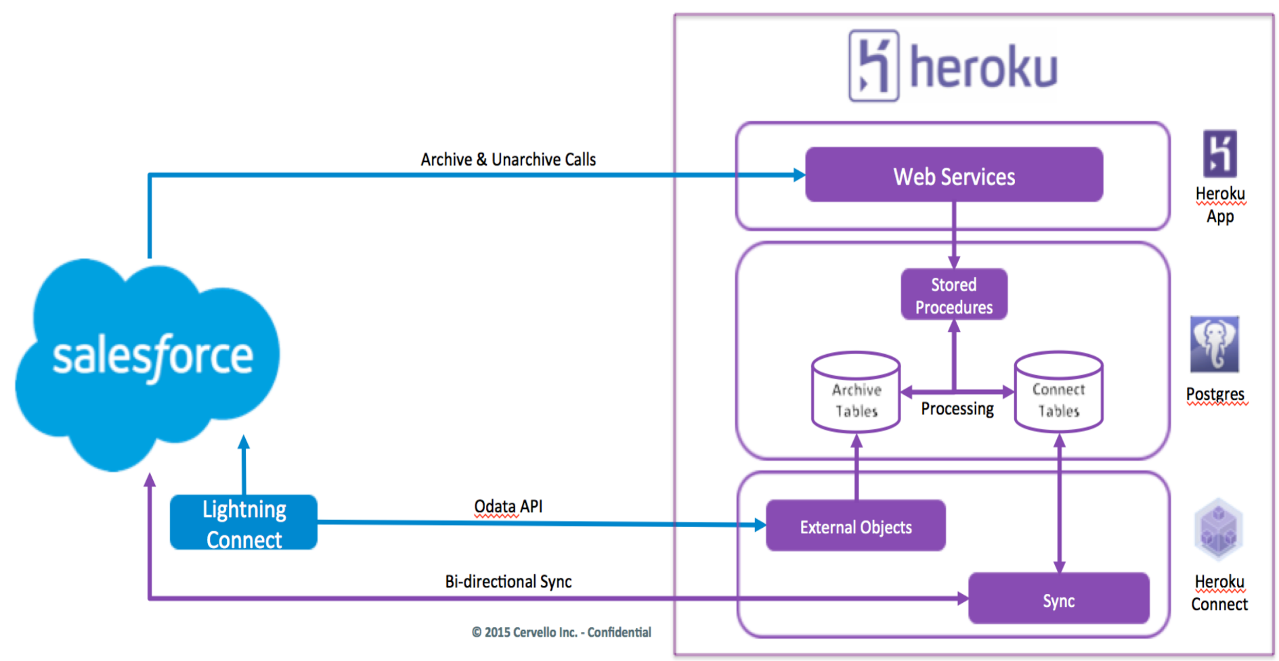
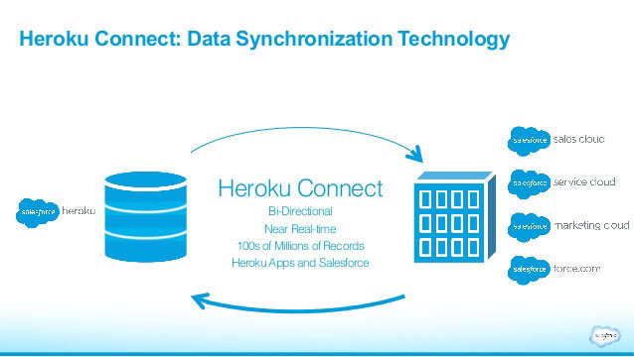

 | Heroku Connect => Handling customer facing Apps or external Apps. It helps to sync the data between postgres and salesforce bidirectionally.

